Game Paytable
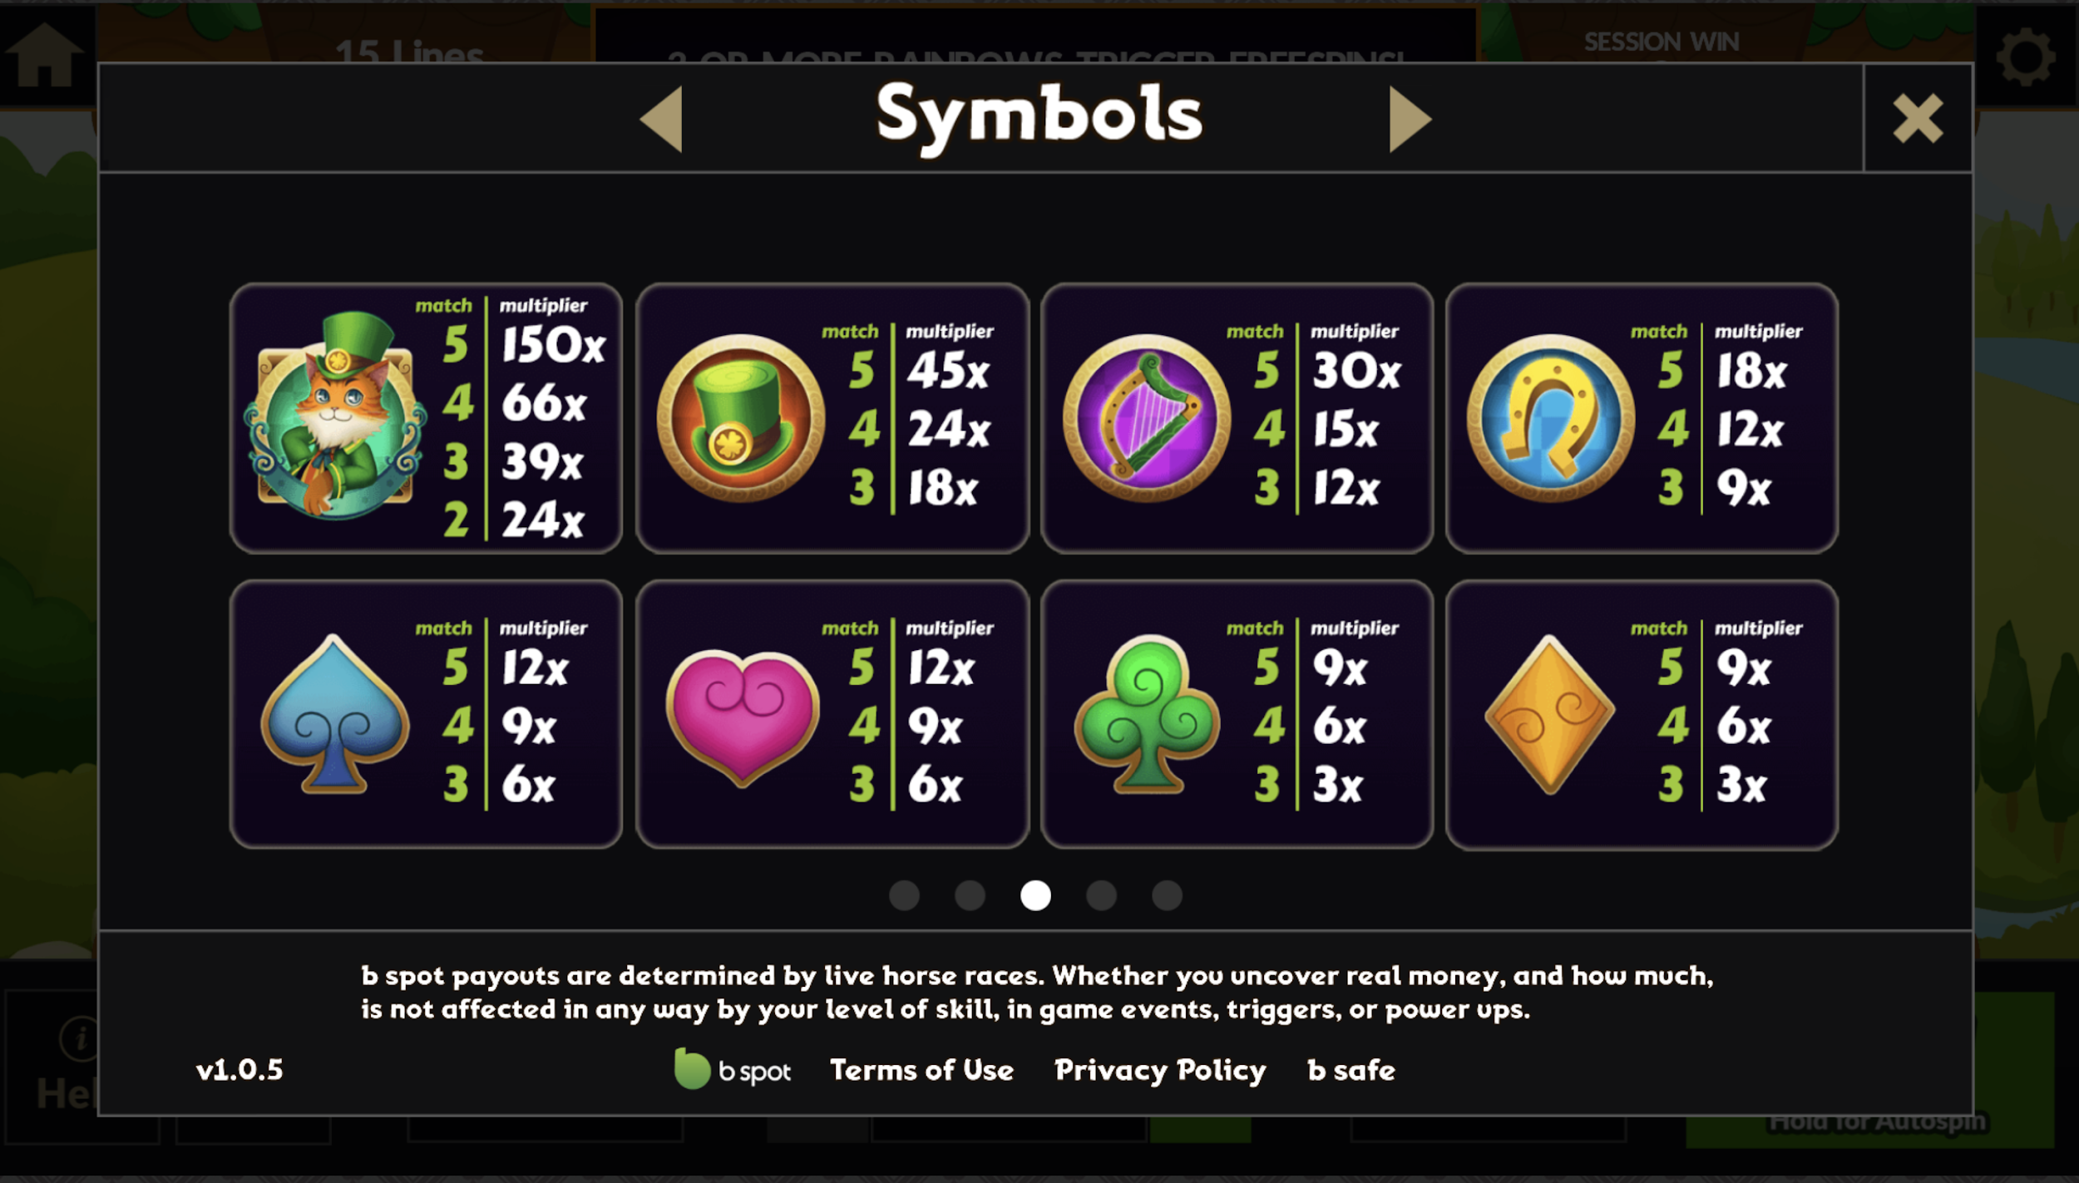
Symbols | 2X | 3X | 4X | 5X
Cat | 24 | 39 | 66 | 150
Hat | 0 | 18 | 24 | 45
Harp | 0 | 12 | 15 | 30
Horseshoe | 0 | 9 | 12 | 18
Spade | 0 | 6 | 9 | 12
Heart | 0 | 6 | 9 | 12
Clover | 0 | 3 | 6 | 9
Dimond | 0 | 3 | 6 | 9

